Optimization
For geometry only | Inputs |  | Data block, don't change
Energy (keV) | 12.658 |  | Material | Lattice spacing (m) | s11 | s12 | s44
Crystal material | Si |  | Si | 5.4309402E-10 | 0.768 | -0.214 | 1.26
Reflection, h | 1 |  | Ge | 5.66E-10 | 0.964 | -0.26 | 1.49
Reflection, k | 1 |  | C | 3.57E-10 | 0.0949 | -0.00978 | 0.173
Reflection, l | -1 |  | other | no input
θB (°) | 8.986
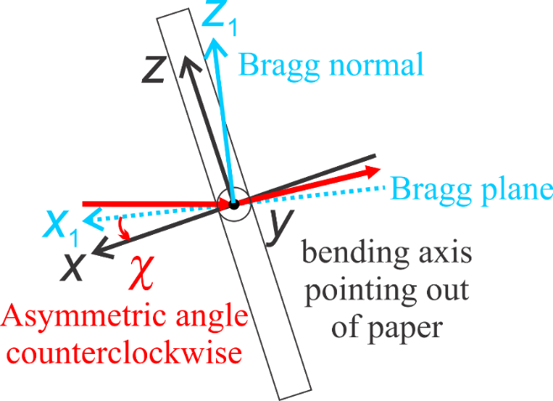
 | OK
Y, Bending, h | 1
Y, Bending, k | -1
Y, Bending, l | 0
χ (deg) | 5.000

Poisson's ratio (νZX) | 0.212
┴ ref, h | 1
┴ ref, k | 1
┴ ref, l | 2
X, Surface, h | 0.356
X, Surface, k | 0.356
X, Surface, l | 0.864 | X is calculated using Reflection hkl and chi.
Z, h | 0.864
Z, k | 0.864
Z, l | -0.713
C factor | 1.00
normalized X, h | 0.356
normalized X, k | 0.356
normalized X, l | 0.864
normalized Y, h | 0.707
normalized Y, k | -0.707
normalized Y, l | 0.000
normalized Z, h | 0.611
normalized Z, k | 0.611
normalized Z, l | -0.504
Z1, normalized reflection, h | 0.577
Z1, normalized reflection, k | 0.577
Z1, normalized reflection, l | -0.577
X1, normalized ┴ ref, h | 0.408
X1, normalized ┴ ref, k | 0.408
X1, normalized ┴ ref, l | 0.816
sc | 0.352
s11 | 0.623
s22 | 0.592
s33 | 0.537
s13 | -0.114
s12 | -0.169
s23 | -0.083
s14 | 0.000
s15 | -0.190
s16 | 0.000
s24 | 0.000
s25 | 0.153
s26 | 0.000
s34 | 0.000
s35 | 0.036
s36 | 0.000
s56 | 0.000
s46 | 0.306
s45 | 0.000
s44 | 1.785
s55 | 1.660
s66 | 1.439
s'31 | -0.212
s'32 | -0.154
s'63 | 0.000
s'43 | 0.000
s'21 | -0.286

